Sheet1
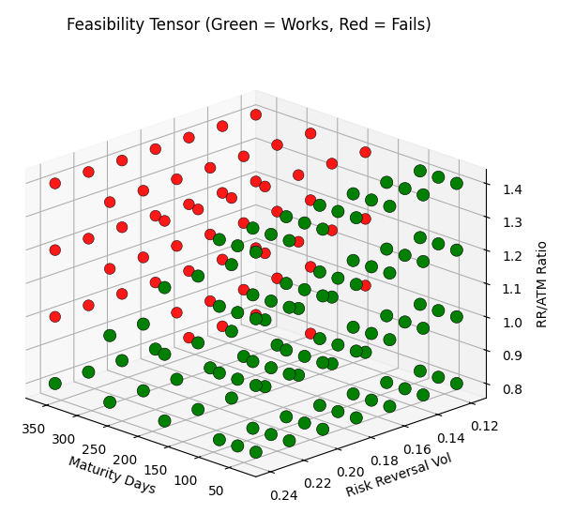
MaturityDays | RiskReversalVol | RR_ATM_Ratio | Flag
30 | 0.12 | 0.8 | 1
30 | 0.12 | 1 | 1
30 | 0.12 | 1.2 | 1
30 | 0.12 | 1.4 | 1
30 | 0.14 | 0.8 | 1
30 | 0.14 | 1 | 1
30 | 0.14 | 1.2 | 1
30 | 0.14 | 1.4 | 1
30 | 0.16 | 0.8 | 1
30 | 0.16 | 1 | 1
30 | 0.16 | 1.2 | 1
30 | 0.16 | 1.4 | 1
30 | 0.18 | 0.8 | 1
30 | 0.18 | 1 | 1
30 | 0.18 | 1.2 | 1
30 | 0.18 | 1.4 | 1
30 | 0.2 | 0.8 | 1
30 | 0.2 | 1 | 1
30 | 0.2 | 1.2 | 1
30 | 0.2 | 1.4 | 1
30 | 0.22 | 0.8 | 1
30 | 0.22 | 1 | 1
30 | 0.22 | 1.2 | 1
30 | 0.22 | 1.4 | 1
30 | 0.24 | 0.8 | 1
30 | 0.24 | 1 | 1
30 | 0.24 | 1.2 | 1
30 | 0.24 | 1.4 | 1
60 | 0.12 | 0.8 | 1
60 | 0.12 | 1 | 1
60 | 0.12 | 1.2 | 1
60 | 0.12 | 1.4 | 1
60 | 0.14 | 0.8 | 1
60 | 0.14 | 1 | 1
60 | 0.14 | 1.2 | 1
60 | 0.14 | 1.4 | 1
60 | 0.16 | 0.8 | 1
60 | 0.16 | 1 | 1
60 | 0.16 | 1.2 | 1
60 | 0.16 | 1.4 | 1
60 | 0.18 | 0.8 | 1
60 | 0.18 | 1 | 1
60 | 0.18 | 1.2 | 1
60 | 0.18 | 1.4 | 1
60 | 0.2 | 0.8 | 1
60 | 0.2 | 1 | 1
60 | 0.2 | 1.2 | 1
60 | 0.2 | 1.4 | 1
60 | 0.22 | 0.8 | 1
60 | 0.22 | 1 | 1
60 | 0.22 | 1.2 | 1
60 | 0.22 | 1.4 | 1
60 | 0.24 | 0.8 | 1
60 | 0.24 | 1 | 1
60 | 0.24 | 1.2 | 1
60 | 0.24 | 1.4 | 1
90 | 0.12 | 0.8 | 1
90 | 0.12 | 1 | 1
90 | 0.12 | 1.2 | 1
90 | 0.12 | 1.4 | 1
90 | 0.14 | 0.8 | 1
90 | 0.14 | 1 | 1
90 | 0.14 | 1.2 | 1
90 | 0.14 | 1.4 | 1
90 | 0.16 | 0.8 | 1
90 | 0.16 | 1 | 1
90 | 0.16 | 1.2 | 1
90 | 0.16 | 1.4 | 1
90 | 0.18 | 0.8 | 1
90 | 0.18 | 1 | 1
90 | 0.18 | 1.2 | 1
90 | 0.18 | 1.4 | 1
90 | 0.2 | 0.8 | 1
90 | 0.2 | 1 | 1
90 | 0.2 | 1.2 | 1
90 | 0.2 | 1.4 | 1
90 | 0.22 | 0.8 | 1
90 | 0.22 | 1 | 1
90 | 0.22 | 1.2 | 1
90 | 0.22 | 1.4 | 1
90 | 0.24 | 0.8 | 1
90 | 0.24 | 1 | 1
90 | 0.24 | 1.2 | 1
90 | 0.24 | 1.4 | 1
180 | 0.12 | 0.8 | 1
180 | 0.12 | 1 | 0
180 | 0.12 | 1.2 | 0
180 | 0.12 | 1.4 | 0
180 | 0.14 | 0.8 | 1
180 | 0.14 | 1 | 1
180 | 0.14 | 1.2 | 0
180 | 0.14 | 1.4 | 0
180 | 0.16 | 0.8 | 1
180 | 0.16 | 1 | 1
180 | 0.16 | 1.2 | 0
180 | 0.16 | 1.4 | 0
180 | 0.18 | 0.8 | 1
180 | 0.18 | 1 | 1
180 | 0.18 | 1.2 | 0
180 | 0.18 | 1.4 | 0
180 | 0.2 | 0.8 | 1
180 | 0.2 | 1 | 1
180 | 0.2 | 1.2 | 1
180 | 0.2 | 1.4 | 0
180 | 0.22 | 0.8 | 1
180 | 0.22 | 1 | 1
180 | 0.22 | 1.2 | 1
180 | 0.22 | 1.4 | 0
180 | 0.24 | 0.8 | 1
180 | 0.24 | 1 | 1
180 | 0.24 | 1.2 | 1
180 | 0.24 | 1.4 | 0
270 | 0.12 | 0.8 | 0
270 | 0.12 | 1 | 0
270 | 0.12 | 1.2 | 0
270 | 0.12 | 1.4 | 0
270 | 0.14 | 0.8 | 1
270 | 0.14 | 1 | 0
270 | 0.14 | 1.2 | 0
270 | 0.14 | 1.4 | 0
270 | 0.16 | 0.8 | 1
270 | 0.16 | 1 | 0
270 | 0.16 | 1.2 | 0
270 | 0.16 | 1.4 | 0
270 | 0.18 | 0.8 | 1
270 | 0.18 | 1 | 0
270 | 0.18 | 1.2 | 0
270 | 0.18 | 1.4 | 0
270 | 0.2 | 0.8 | 1
270 | 0.2 | 1 | 0
270 | 0.2 | 1.2 | 0
270 | 0.2 | 1.4 | 0
270 | 0.22 | 0.8 | 1
270 | 0.22 | 1 | 1
270 | 0.22 | 1.2 | 0
270 | 0.22 | 1.4 | 0
270 | 0.24 | 0.8 | 1
270 | 0.24 | 1 | 1
270 | 0.24 | 1.2 | 0
270 | 0.24 | 1.4 | 0
360 | 0.12 | 0.8 | 0
360 | 0.12 | 1 | 0
360 | 0.12 | 1.2 | 0
360 | 0.12 | 1.4 | 0
360 | 0.14 | 0.8 | 0
360 | 0.14 | 1 | 0
360 | 0.14 | 1.2 | 0
360 | 0.14 | 1.4 | 0
360 | 0.16 | 0.8 | 0
360 | 0.16 | 1 | 0
360 | 0.16 | 1.2 | 0
360 | 0.16 | 1.4 | 0
360 | 0.18 | 0.8 | 1
360 | 0.18 | 1 | 0
360 | 0.18 | 1.2 | 0
360 | 0.18 | 1.4 | 0
360 | 0.2 | 0.8 | 1
360 | 0.2 | 1 | 0
360 | 0.2 | 1.2 | 0
360 | 0.2 | 1.4 | 0
360 | 0.22 | 0.8 | 1
360 | 0.22 | 1 | 0
360 | 0.22 | 1.2 | 0
360 | 0.22 | 1.4 | 0
360 | 0.24 | 0.8 | 1
360 | 0.24 | 1 | 0
360 | 0.24 | 1.2 | 0
360 | 0.24 | 1.4 | 0

